Blad1
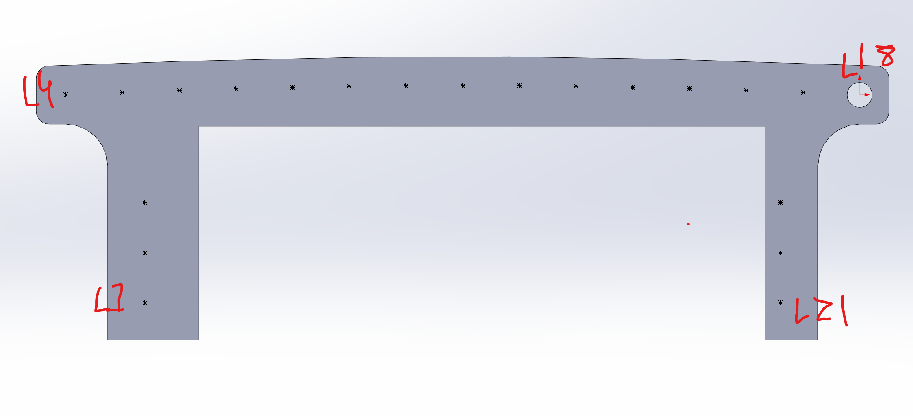
LED | Koordinates Solid X | Koordinates Solid Y | Koordinates Altium X | Koordinates Altium Y | Offset origo X | Offset origo Y
1 | -85.5 | -24.902 | 4.5 | 4.5 | -90 | -29.402
2 | -85.5 | -18.902 | 4.5 | 10.5
3 | -85.5 | -12.902 | 4.5 | 16.5
4 | -95 | 0 | -5 | 29.402
5 | -88.218 | 0.3 | 1.782 | 29.702
6 | -81.435 | 0.554 | 8.565 | 29.956
7 | -74.65 | 0.762 | 15.35 | 30.164
8 | -67.863 | 0.924 | 22.137 | 30.326
9 | -61.076 | 1.039 | 28.924 | 30.441
10 | -54.288 | 1.109 | 35.712 | 30.511
11 | -47.5 | 1.132 | 42.5 | 30.534
12 | -40.712 | 1.109 | 49.288 | 30.511
13 | -33.924 | 1.039 | 56.076 | 30.441
14 | -27.137 | 0.924 | 62.863 | 30.326
15 | -20.35 | 0.762 | 69.65 | 30.164
16 | -13.565 | 0.554 | 76.435 | 29.956
17 | -6.782 | 0.3 | 83.218 | 29.702
18 | 0 | 0 | 90 | 29.402
19 | -9.5 | -12.902 | 80.5 | 16.5
20 | -9.5 | -18.902 | 80.5 | 10.5
21 | -9.5 | -24.902 | 80.5 | 4.5

